Sheet1
PLANT NAME | PLANT IMAGE | AVERAGE HYDRATED COLOR | AVERAGE DEHYDRATED COLOR | RGB CODE |  |  | DISTANCE USED
CABBAGE LEAF | 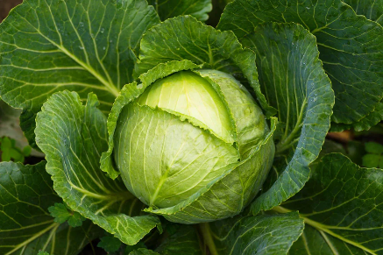 |  |  | HYDRATED |  |  | HYDRATED | 5243

 |  |  |  | 74 | 102 | 35

 |  |  |  | DEHYDRATED |  |  | DEHYDRATED | 0

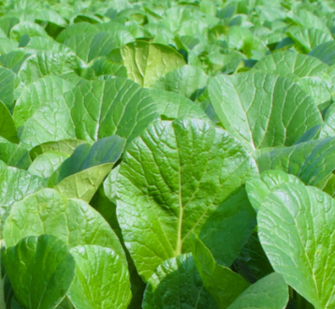

 |  |  |  | 99 | 120 | 92
SPINACH LEAF |  |  |  | HYDRATED |  |  | HYDRATED | 2002

 |  |  |  | 87 | 140 | 30

 |  |  |  | DEHYDRATED |  |  | DEHYDRATED | 0


 |  |  |  | 83 | 108 | 54
SPINACH STEM | 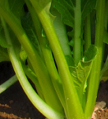 |  |  | HYDRATED |  |  | HYDRATED | 10351

 |  |  |  | 110 | 139 | 11

 |  |  |  | DEHYDRATED |  |  | DEHYDRATED | 0

 |  |  |  | 133 | 153 | 95
CELERY LEAF |  |  |  | HYDRATED |  |  | HYDRATED | 8036

 |  |  |  | 94 | 159 | 31

 |  |  |  | DEHYDRATED |  |  | DEHYDRATED | 0

 |  |  |  | 157 | 155 | 33
CELERY STEM | 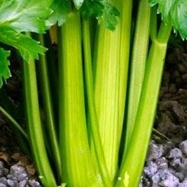 |  |  | HYDRATED |  |  | HYDRATED | 7123

 |  |  |  | 167 | 202 | 28

 |  |  |  | DEHYDRATED |  |  | DEHYDRATED | 0

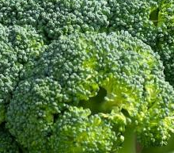

 |  |  |  | 149 | 137 | 70
BROCCOLI |  |  |  | HYDRATED |  |  | HYDRATED | 6835

 |  |  |  | 89 | 123 | 66

 |  |  |  | DEHYDRATED |  |  | DEHYDRATED | 0

 |  |  |  | 122 | 135 | 123
KANGKONG LEAF | 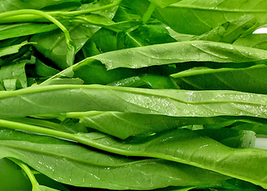 |  |  | HYDRATED |  |  | HYDRATED | 4212

 |  |  |  | 81 | 138 | 31

 |  |  |  | DEHYDRATED |  |  | DEHYDRATED | 0

 |  |  |  | 62 | 111 | 89
KANGKONG STEM | 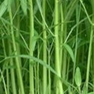 |  |  | HYDRATED |  |  | HYDRATED | 4878

 |  |  |  | 122 | 162 | 68

 |  |  |  | DEHYDRATED |  |  | DEHYDRATED | 0

 |  |  |  | 85 | 99 | 39
MINT | 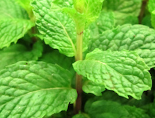 |  |  | HYDRATED |  |  | HYDRATED | 3423

 |  |  |  | 107 | 176 | 60

 |  |  |  | DEHYDRATED |  |  | DEHYDRATED | 0


 |  |  |  | 133 | 148 | 71
MONSTERA | 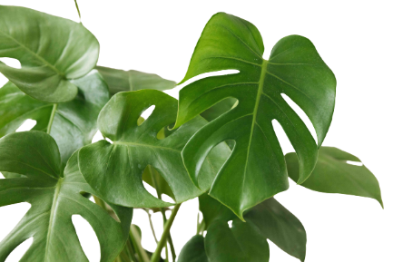 |  |  | HYDRATED |  |  | HYDRATED | 7957

 |  |  |  | 61 | 102 | 30

 |  |  |  | DEHYDRATED |  |  | DEHYDRATED | 0

 |  |  |  | 139 | 126 | 31
PARSLEY | 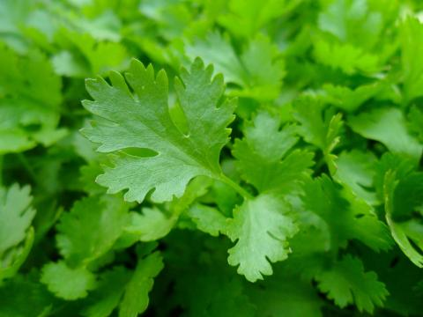 |  |  | HYDRATED |  |  | HYDRATED | 4974

 |  |  |  | 95 | 165 | 58

 |  |  |  | DEHYDRATED |  |  | DEHYDRATED | 0

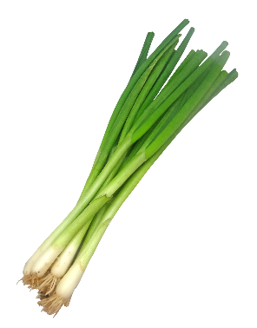
 |  |  |  | 136 | 181 | 47
SPRING ONION |  |  |  | HYDRATED |  |  | HYDRATED | 599

 |  |  |  | 72 | 131 | 36

 |  |  |  | DEHYDRATED |  |  | DEHYDRATED | 0

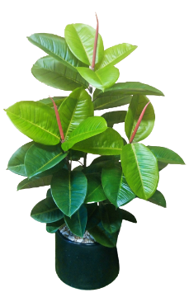
 |  |  |  | 77 | 88 | 42
RUBBER TREE |  |  |  | HYDRATED |  |  | HYDRATED | 3616

 |  |  |  | 85 | 134 | 34

 |  |  |  | DEHYDRATED |  |  | DEHYDRATED | 0

 |  |  |  | 108 | 65 | 64

